Sheet1
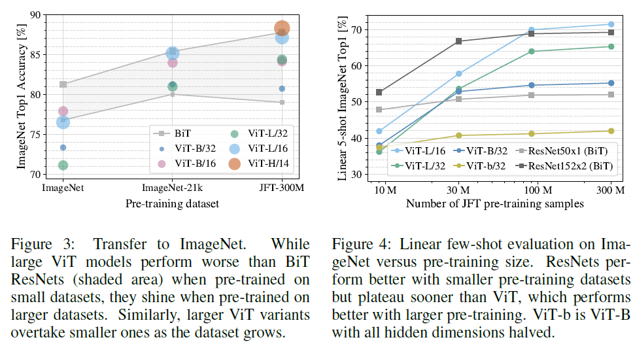
title | AN IMAGE IS WORTH 16X16 WORDS: TRANSFORMERS FOR IMAGE RECOGNITION AT SCALE
author | outline | Google Research, Brain team
abstract | transformer's application in CV is still limited
 | attention is either applied in conjunction with convolutional networks, or used to replace certain components of convolutional networks while keeping their overall structure in place
introduction | pre-train on large dataset and fine-tune on small dataset
 | there is no still no sign of saturating performance
 | using transformer, the first challenge is how to lower the dimension of 2Dimages to 1Dtext
 | CNN-like architectures with self-attention and some of them replace CNN with Attention layers entirely
 | the latter models have not yet been scaled effectively on modern hardware accelerators
 | inspired by successes in NLP, with large scale and the fewest possible modifications
 | the transformers perform a little lower than ResNets because transformers lack some of inductive biases
 | inductive biases | generalize certain rules from the phenomena observed in real life, and then make certain constraints on the model, so that it can play the role of "model selection", similar to the "a priori" in Bayesian learning.
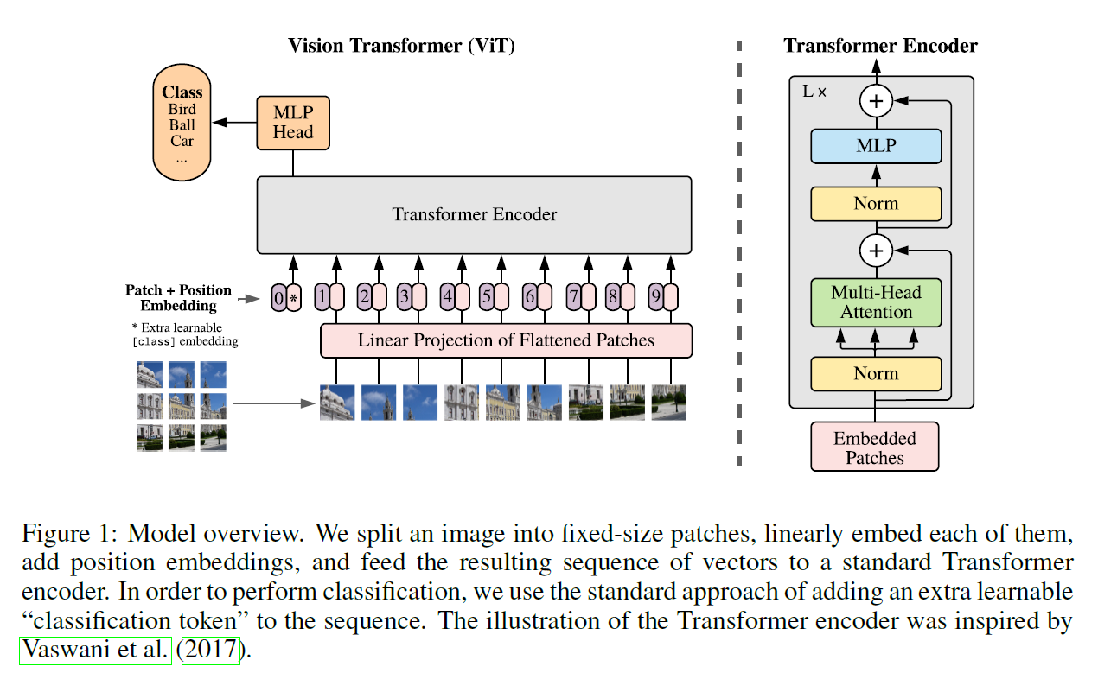
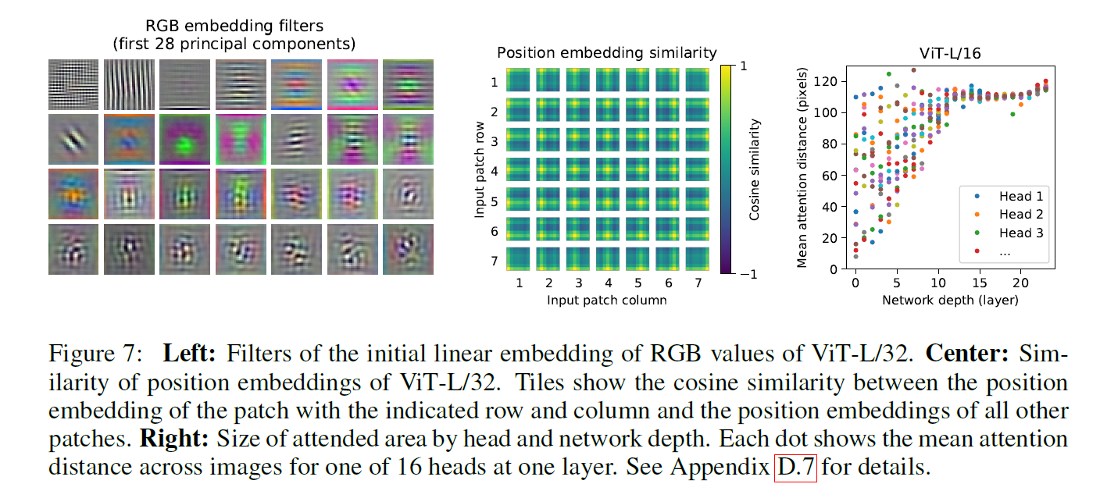
 |  | eg | CNN | localilty
 |  |  |  | spatial invariance / translation equivariance
 |  |  | RNN | sequentiality
 |  |  |  | time invariance
related work | BERT | a denoising self-supervised pre-trained on large corpora and fine-tuned for the task at hand
 | GPT | language modeling as its pre-training task
method | using the architectures and efficient implementations of transformer
 | architectures | put image patch + position embedding
 |  | put [class] embedding directly into the 0th token into transformer encoder
 |  | put other embeddings into linear projection of flattened patches before into transformer encode
 |  | output of transformer encoder is [class] token and put output into MLP Head
 |  | embedded patches input tensor: 197*768
 |  | number of head: 12
 | ablation ex. | GAP(globally average-pooling) and class token are similar
 |  | but when using GAP, the lr and other paras may have difficult in fine-tuning
 |  | ViT focus on the image patchs rather than pixels
 |  | the performance of position embeddings for 1D and 2D are similar
 | inductive bias | much less image-specfic inductive bias than CNNs
 |  | in ViT, only MLP are locality and translationally equivariant
 |  | there are less inductive biases, so performance by ViT are not better than CNNs can be understanding
 |  | the position embeddings at initialization time carry no info about the 2D positions of the patchs
 | hybrid architecture | CNN + transformer
 |  | the goal of CNN is to lower size and dimensions of images
 | fine-tuning and high resolution | the patch size need change with input image size
 |  | 2D interpolation can fix the dismatching between patch size and image size if the image size changed
 |  | simple 2D interpolation may reduce performance
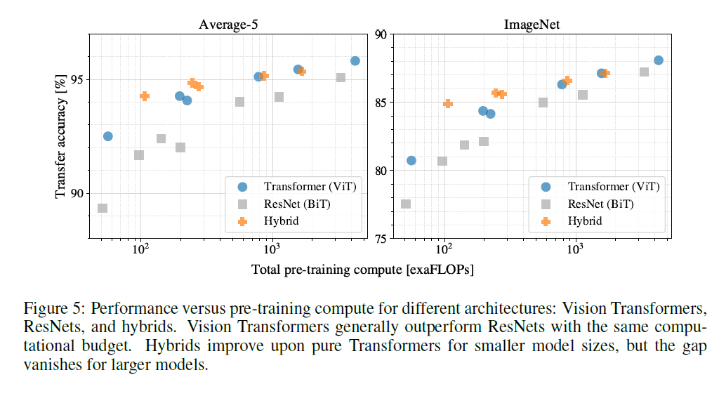
experiments | comparison with ResNet
 | ViT can perform better in lager scalar datasets
 | ViT and ResNet are seem to be saturated?
 | the model attends to image regions that are semantically relevant for classification
 | ViT can also use masked patchs like BERT in large scale self-supervised pre-training
conclusion | the initial patch extraction step
 | make image patchs as sequential list
 | cheaper to pre-train

